Data Aug Details
Speaker | Layer Frozen | Training Loss Graph | Training Accuracy Graph | Accuracy | % Change from Normal

F05 | Augmented_F05_D3 | 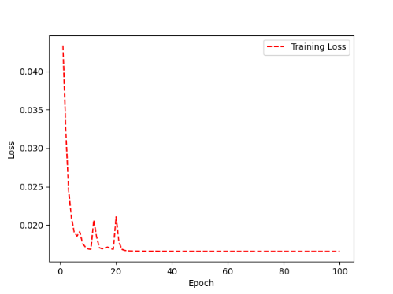 | 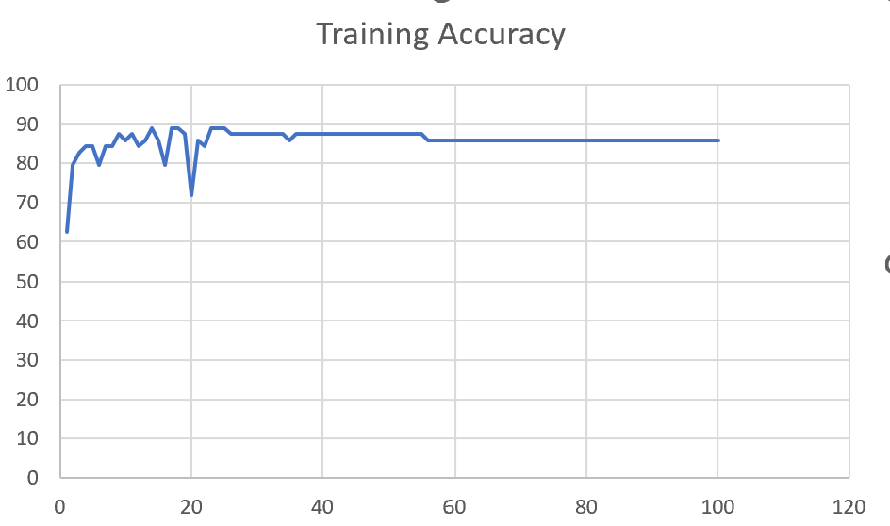 | 93 | 2

 | Augmented_F05_TE | 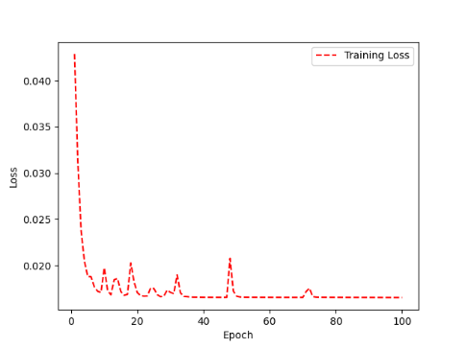 | 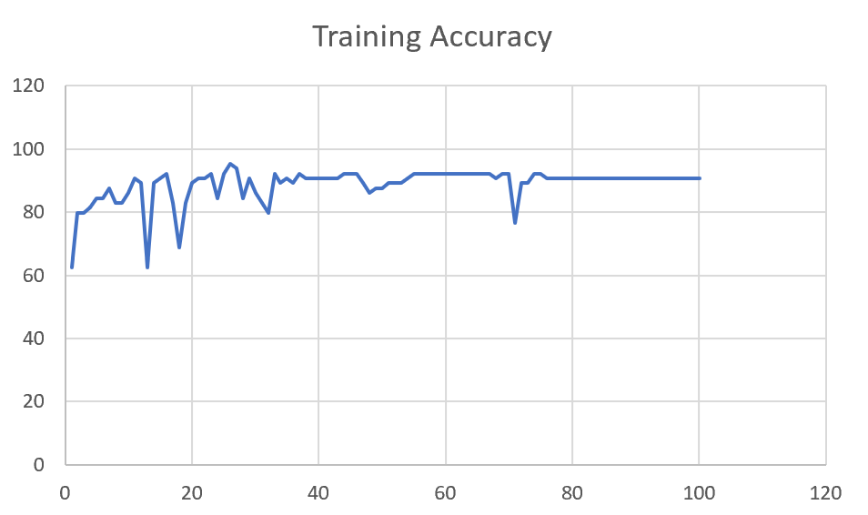 | 93 | 3

M08 | Augmented_M08_T3+D123 | 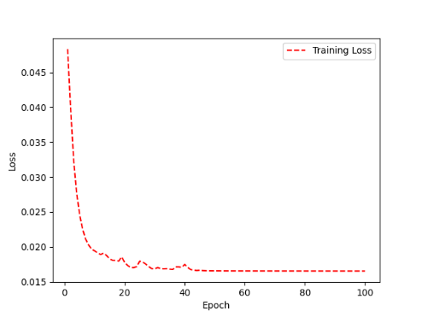 | 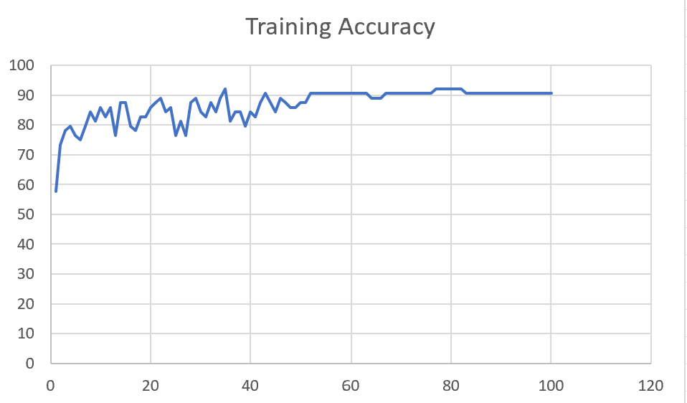 | 88 | 4

 | Augmented_M08_T3+D12 | 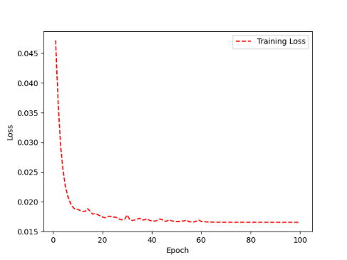 | 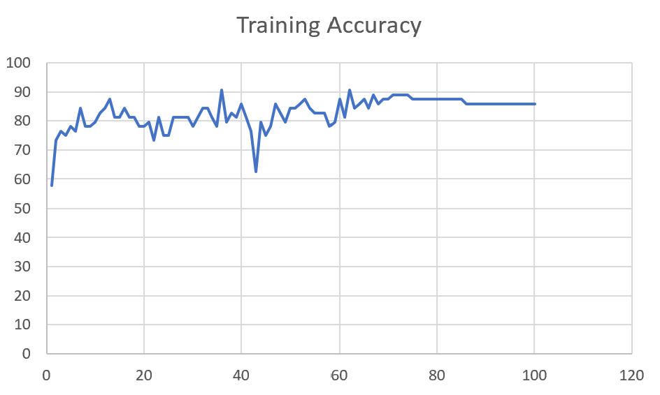 | 88 | 6

M10 | Augmented_M10_T3+D1 | 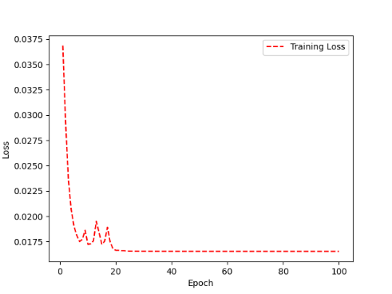 | 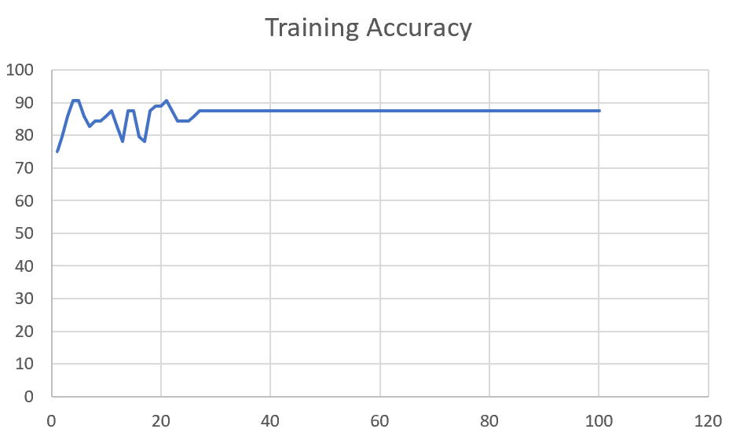 | 91 | -1

 | Augmented_M10_E1 | 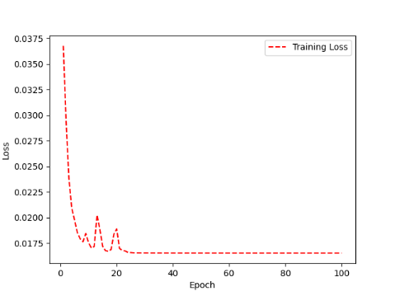 | 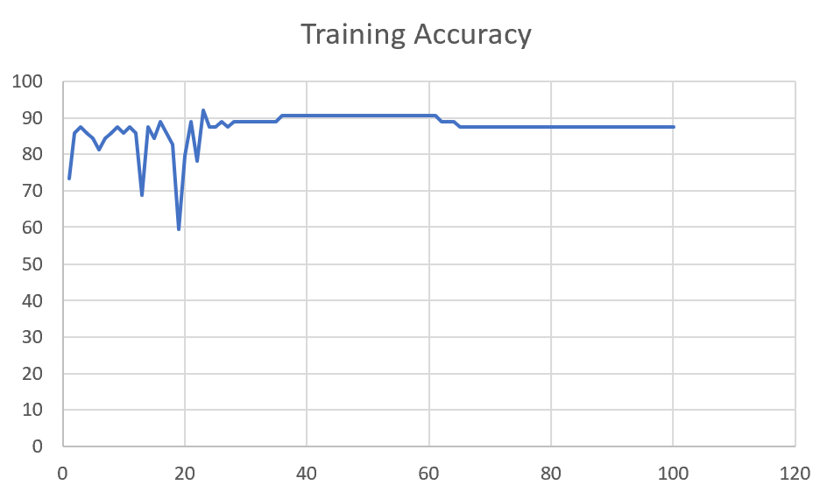 | 91 | 0

M14 | Augmented_M14_D3 | 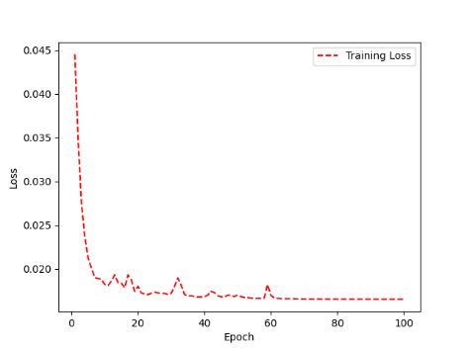 | 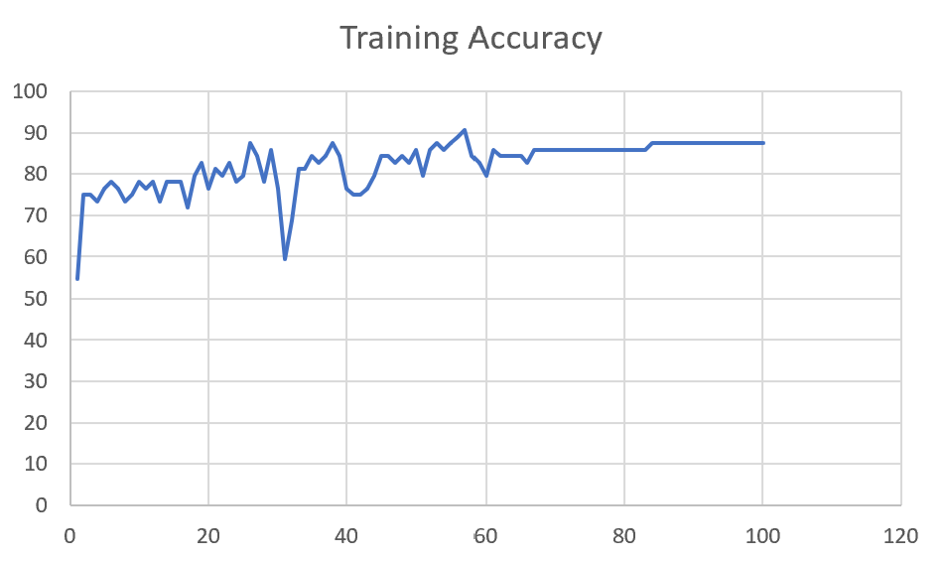 | 84

 | Augmented_M14_T3+D1 | 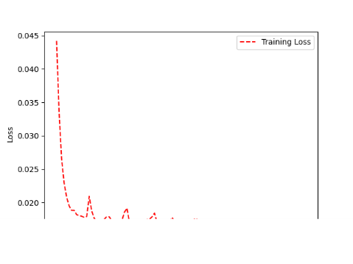 | 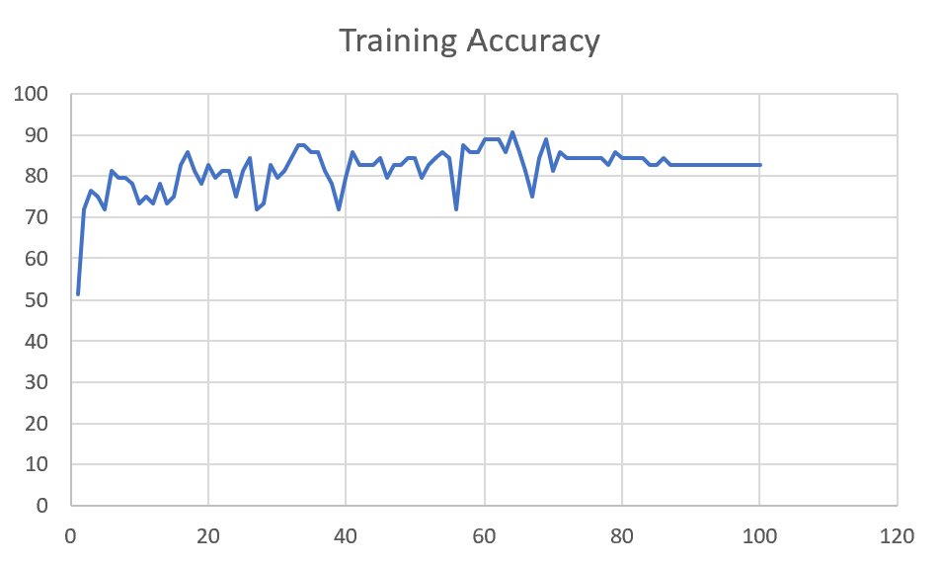 | 85

M09 | Augmented_M09_D3 | 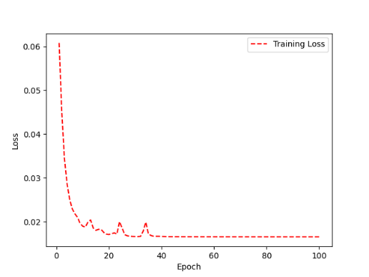 | 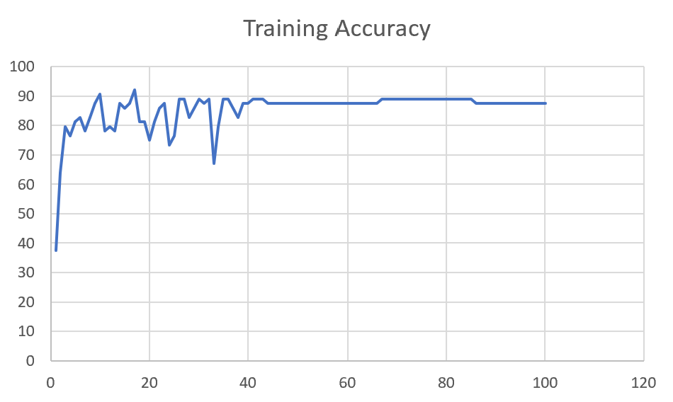 | 84

 | Augmented_M09_TE | 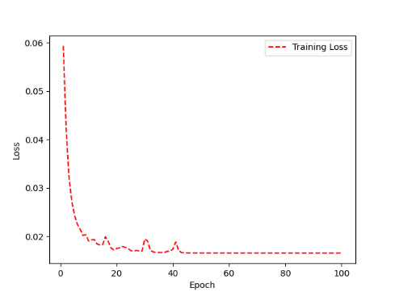 | 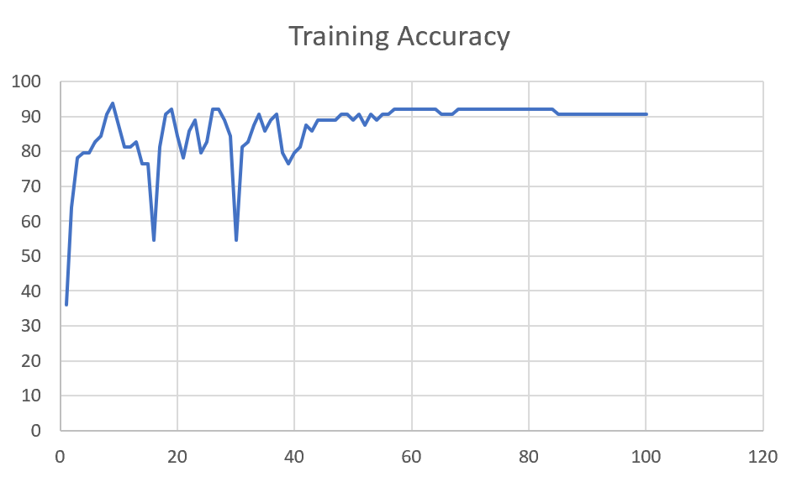 | 82

F04 | Augmented_F04_TE | 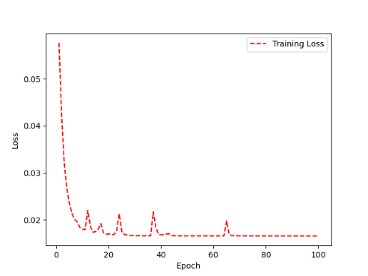 | 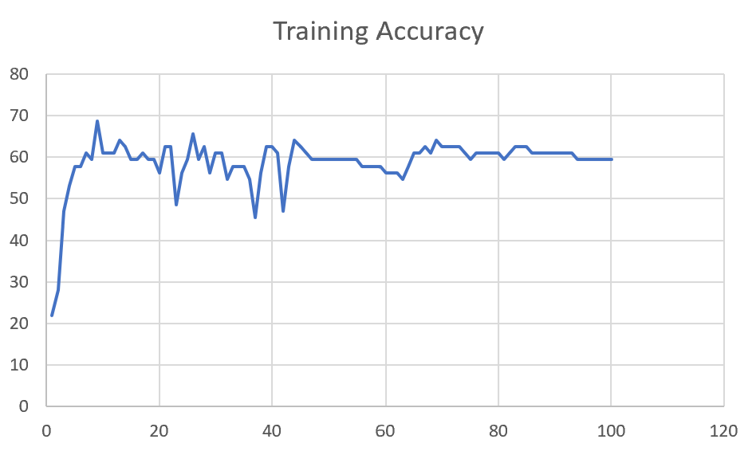 | 69

 | Augmented_F04_TE+D1 | 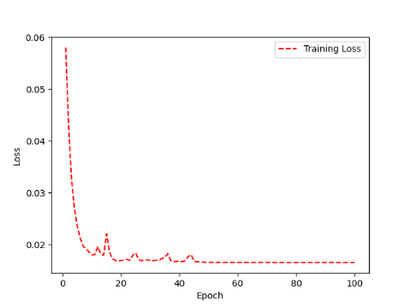 | 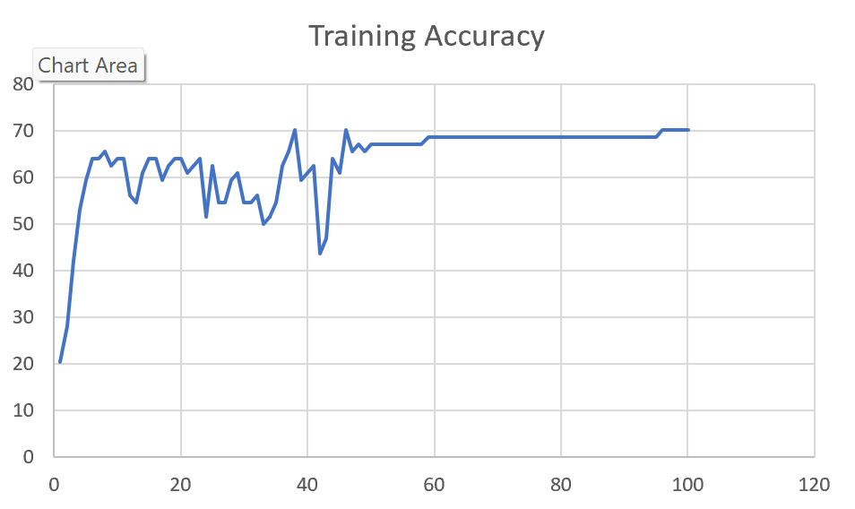 | 72

M11 | Augmented_M11_TE

 | Augmented_M11_D3

M05 | Augmented_M05_D3

 | Augmented_M05_TE+D1

M16 | Augmented_M16_D3

 | Augmented_M16_TE+D1

F02 | Augmented_F02_TE

 | Augmented_M05_TE+D1

M07 | Augmented_M07_D3

 | Augmented_M07_TE+D12

M01 | Augmented_M05_D3

 | Augmented_M05_TE+D1

M12 | Augmented_M12_TE+D1

 | Augmented_M12_D3

F03 | Augmented_F03_TE+D1

 | Augmented_F03_TE

M04 | Augmented_M04_TE

 | Augmented_M04_E1

Sheet1
 |  |  | Training Accuracy
0 | 0.796875 | 1 | 20.3125
1 | 0.71875 | 2 | 28.125
2 | 0.578125 | 3 | 42.1875
3 | 0.46875 | 4 | 53.125
4 | 0.40625 | 5 | 59.375
5 | 0.359375 | 6 | 64.0625
6 | 0.359375 | 7 | 64.0625
7 | 0.34375 | 8 | 65.625
8 | 0.375 | 9 | 62.5
9 | 0.359375 | 10 | 64.0625
10 | 0.359375 | 11 | 64.0625
11 | 0.4375 | 12 | 56.25
12 | 0.453125 | 13 | 54.6875
13 | 0.390625 | 14 | 60.9375
14 | 0.359375 | 15 | 64.0625
15 | 0.359375 | 16 | 64.0625
16 | 0.40625 | 17 | 59.375
17 | 0.375 | 18 | 62.5
18 | 0.359375 | 19 | 64.0625
19 | 0.359375 | 20 | 64.0625
20 | 0.390625 | 21 | 60.9375
21 | 0.375 | 22 | 62.5
22 | 0.359375 | 23 | 64.0625
23 | 0.484375 | 24 | 51.5625
24 | 0.375 | 25 | 62.5
25 | 0.453125 | 26 | 54.6875
26 | 0.453125 | 27 | 54.6875
27 | 0.40625 | 28 | 59.375
28 | 0.390625 | 29 | 60.9375
29 | 0.453125 | 30 | 54.6875
30 | 0.453125 | 31 | 54.6875
31 | 0.4375 | 32 | 56.25
32 | 0.5 | 33 | 50
33 | 0.484375 | 34 | 51.5625
34 | 0.453125 | 35 | 54.6875
35 | 0.375 | 36 | 62.5
36 | 0.34375 | 37 | 65.625
37 | 0.296875 | 38 | 70.3125
38 | 0.40625 | 39 | 59.375
39 | 0.390625 | 40 | 60.9375
40 | 0.375 | 41 | 62.5
41 | 0.5625 | 42 | 43.75
42 | 0.53125 | 43 | 46.875
43 | 0.359375 | 44 | 64.0625
44 | 0.390625 | 45 | 60.9375
45 | 0.296875 | 46 | 70.3125
46 | 0.34375 | 47 | 65.625
47 | 0.328125 | 48 | 67.1875
48 | 0.34375 | 49 | 65.625
49 | 0.328125 | 50 | 67.1875
50 | 0.328125 | 51 | 67.1875
51 | 0.328125 | 52 | 67.1875
52 | 0.328125 | 53 | 67.1875
53 | 0.328125 | 54 | 67.1875
54 | 0.328125 | 55 | 67.1875
55 | 0.328125 | 56 | 67.1875
56 | 0.328125 | 57 | 67.1875
57 | 0.328125 | 58 | 67.1875
58 | 0.3125 | 59 | 68.75
59 | 0.3125 | 60 | 68.75
60 | 0.3125 | 61 | 68.75
61 | 0.3125 | 62 | 68.75
62 | 0.3125 | 63 | 68.75
63 | 0.3125 | 64 | 68.75
64 | 0.3125 | 65 | 68.75
65 | 0.3125 | 66 | 68.75
66 | 0.3125 | 67 | 68.75
67 | 0.3125 | 68 | 68.75
68 | 0.3125 | 69 | 68.75
69 | 0.3125 | 70 | 68.75
70 | 0.3125 | 71 | 68.75
71 | 0.3125 | 72 | 68.75
72 | 0.3125 | 73 | 68.75
73 | 0.3125 | 74 | 68.75
74 | 0.3125 | 75 | 68.75
75 | 0.3125 | 76 | 68.75
76 | 0.3125 | 77 | 68.75
77 | 0.3125 | 78 | 68.75
78 | 0.3125 | 79 | 68.75
79 | 0.3125 | 80 | 68.75
80 | 0.3125 | 81 | 68.75
81 | 0.3125 | 82 | 68.75
82 | 0.3125 | 83 | 68.75
83 | 0.3125 | 84 | 68.75
84 | 0.3125 | 85 | 68.75
85 | 0.3125 | 86 | 68.75
86 | 0.3125 | 87 | 68.75
87 | 0.3125 | 88 | 68.75
88 | 0.3125 | 89 | 68.75
89 | 0.3125 | 90 | 68.75
90 | 0.3125 | 91 | 68.75
91 | 0.3125 | 92 | 68.75
92 | 0.3125 | 93 | 68.75
93 | 0.3125 | 94 | 68.75
94 | 0.3125 | 95 | 68.75
95 | 0.296875 | 96 | 70.3125
96 | 0.296875 | 97 | 70.3125
97 | 0.296875 | 98 | 70.3125
98 | 0.296875 | 99 | 70.3125
99 | 0.296875 | 100 | 70.3125
<__main__.DisplayOutputs object at 0x7f82c112c9d0> | 0.296875 | #VALUE! | 70.3125
<__main__.DisplayOutputs object at 0x7f82c112c9d0> | 0.3125 | #VALUE! | 68.75
<__main__.DisplayOutputs object at 0x7f82c112c9d0> | 0.25 | #VALUE! | 75
<__main__.DisplayOutputs object at 0x7f82c112c9d0> | 0.328125 | #VALUE! | 67.1875
<__main__.DisplayOutputs object at 0x7f82c112c9d0> | 0.265625 | #VALUE! | 73.4375
<__main__.DisplayOutputs object at 0x7f82c112c9d0> | 0.15625 | #VALUE! | 84.375
<__main__.DisplayOutputs object at 0x7f82c112c9d0> | 0.21875 | #VALUE! | 78.125
<__main__.DisplayOutputs object at 0x7f82c112c9d0> | 0.25 | #VALUE! | 75
<__main__.DisplayOutputs object at 0x7f82c112c9d0> | 0.34375 | #VALUE! | 65.625
<__main__.DisplayOutputs object at 0x7f82c112c9d0> | 0.390625 | #VALUE! | 60.9375
<__main__.DisplayOutputs object at 0x7f82c112c9d0> | 0.28125 | #VALUE! | 71.875
<__main__.DisplayOutputs object at 0x7f82c112c9d0> | 0.28125 | #VALUE! | 71.875
<__main__.DisplayOutputs object at 0x7f82c112c9d0> | 0.203125 | #VALUE! | 79.6875
<__main__.DisplayOutputs object at 0x7f82c112c9d0> | 0.359375 | #VALUE! | 64.0625
<__main__.DisplayOutputs object at 0x7f82c112c9d0> | 0.25 | #VALUE! | 75
<__main__.DisplayOutputs object at 0x7f82c112c9d0> | 0.328125 | #VALUE! | 67.1875
<__main__.DisplayOutputs object at 0x7f82c112c9d0> | 0.24590163934 | #VALUE! | 75.409836066
<__main__.DisplayOutputs object at 0x7fcfe04bb910> | 0.640625
<__main__.DisplayOutputs object at 0x7fcfe04bb910> | 0.50819672131

